Sheet1
Item | Checklist | Notes | Ready for Test (Y/N) | Action Item

Test Plan
3.8 Acceptance Criteria

 | Acceptance Criteria for Test phase | Fundamental functions working as expected/as per functional requirements |  | Update test plan
 | Defect Severity | 1 - Critical - funciton does not work 2 - Major - fundamental problems 3 - Medium - works, but workaround 4 - Minor - 5 - Cosmetic
 | End of Test (EoT) Criteria | Pass status on all test case or where defects have been identified and actions for resolution: closed or no sev 1 or 2 left open sev 3-5 need correction plan: deferred or fix

Deliverables | Test Execution Report - information of execution, includes eg artefacts, attachments Test Summary Report Test Closure Report - include outstanding defects | [DH] Test plan, what section?
Test plan formally reviewed |  |  |  | Review by offering manager(s) - Dave Cannon, Lauren Sign-off - Dave Cannon

5.1 Test Environment Setup, Pre-reqs | 1. CISCO VPN connectivity. |  | Y
 | 2. Connectivity to VPN & RDP to PC Device Servers | Ok for Navaneetha, but some issues still | Y | Satheesh to follow up
 | 3. MS Office 2003 / 2007. | Note required for evidence, will use existing tools, ie printscreen
 | 4. Defect Management tool - Jira |  | Y, note actions items | Damon to setup release Damon to review workflow Clean up/baseline existing defects

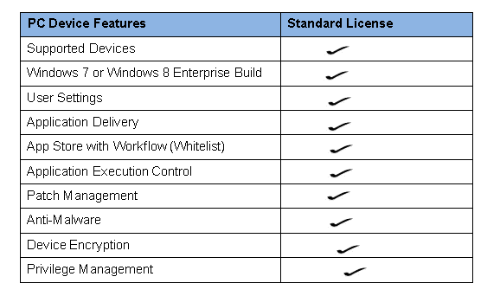
Test Scope Signed Off
Test Plan - Sec 3.1 Functions and Features to be Tested |  | [DH] Device encryption not in scope R3/demo (requires physical box) |  | [SR] Update test plan [DH] Communicate with Paul Colmer re requirements mapping
 |  | Windows 8 build |  | [DH] has already been agreed Paul Colmer Win 8.1 in scope for testing
 |  | PC6 - Appstore/Webstore (Flexera) not implemented for R3/Demo |  | [DH] Communicate with Paul Colmer re requirements mapping [EG] plan to move test across to webstore project - but check with Paul Colmer [SR] Still need list of applications to be whitelisted

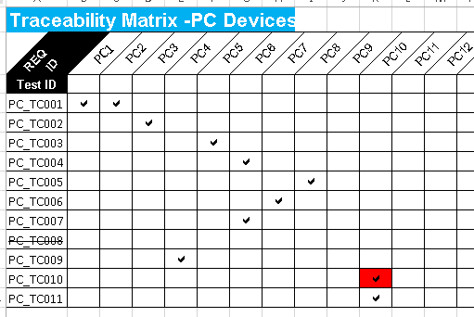
PC1 - Hardware management
PC2 - Distinct User Experience
PC3 - User Settings |  | PC_TC003 should be mapped to requirement PC6 |  | [SR] to update RTM
PC4 - Remote App, App-V
PC5 - Appstore with workflow |  | PC8 - checking sw installed, but not validating eg penetration
PC6 - App Execution Control
PC7 - Patch Management
PC8 - Anti-Malware
PC9 - Device Encryption
PC10 - Privilege Management

Test cases Ready
PC_TC001: Test Case_PC_Windows | PREREQ - AppSense DesktopNow Applications :AppSense Environment Manager should be available. PC required with the below specification with the respective user id and password: Windows 8.1- 64 Bit Note : User will connect to the physical PC available in the PDC from his desktop/Laptop which is available in the same business network | 1X Win 8.1 64 bit in client AD, RSE AD |  | [DR] Appsense deployed, TBD: verify policy in detail. Require License Key [DR] to provide IP addresses to test team
PC_TC002: Test Case_PC _User setting Replication across Multiple devices | PREREQ - User should have more than one device to connect to the Physical PC Device of PDC AppSense DesktopNow Applications :AppSense Environment Manager should be available. |  |  | [DR] Requires another Win 8 machine run up
PC_TC003: Test Case_PC_ Installation of whitelisted application. | PREREQ - Defend Point should be installed in the PC. Need the list of application that the user will be allowed to install in PC devices |  |  | [DR] Defendpoint policies applied using Avecto templates; with dummy templates. Will communicate any issues
PC_TC004: Test Case_PC_ Blockage of Undesired application | PREREQ - As per PC_TC003
PC_TC005: Test case_PC_Anti Malware protection | PREREQ - Need the version of anti malware installed in the PC | [DR] Need to extend to check reporting to console |  | [NS] review adding "Alistair" into test case; result in updated test case spreadsheet
PC_TC006: Test case_PC_Patch Updates are automated | PREREQ - Need the list of software's that gets automatically updated and their versions | SCCM Firewall port for download of internet patches |  | [DR] office patches [DH] follow up on workaround - "quick opening to the internet" [DR] to notify patches to test team on test case entry [DH/DR] Not in place; also requires forward proxy set up - follow up with Paul Wyllie
PC_TC007: Test case_PC_Defend Point | PREREQ - Defend point system region is up and running
PC_TC009: Test case_PC_App V | PREREQ - App-v should be installed |  |  | [DR] all good
PC_TC011: Test case_PC_Removing local administrator rights | PREREQ - Normal and Admin test users
 | SSRS Reports |  |  | [SR] map to common folder [DR] SCCM, Avecto and 1E - Avecto Dave will clarify status - 1E will require SSRS instance? [SS] to update SQL

Completion Status of Build
Workload Unit Test Results | UnitTesting_PDC.7z |  | Y
 |  |  | N | [DH] scripts were run manually
Release | MWS_PCD_R3-As_Built-20150626 Basic Documentation For DEVSCCSYD001W.docx pdc-blueprints-20150626T2133.xls pdc-compute-PCD-20150626T2130.xls |  |  | [SS/DH] manual export/copy into subversion: PCD scripts & tag

Test Team Access into PDC |  | Navaneetha has access | Y

Planned EoT |  |  |  | [DH] 10/7
PCD System Under Test notification - Dist List |  |  |  | [DH] SUT Tues 30/6 - 10/7

System Ready for Test |  |  | Y | [DH, DR, NS, EG, SS] SR - Yes, but with pre-reqs requiring work

